Screenshot
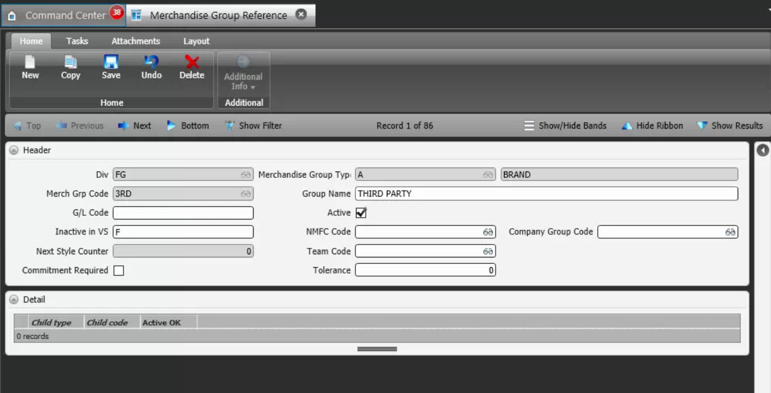
Reference Screen | Merchandise Group reference

